Comparison 1
Thermal Energy Balance Method

Source Used: |  | Physics-based Modeling and Control of a Heat Pump for District Heating

 |  | (Ard de Reus, 2022), Section Used: Chapter 5, Page 37

 | Verification Using Thesis Values

Note: These are the formulas and steps that are used in Methodology 1

Comparison: | The results of the methdaology match exactly to the values optained by thesis.

Comparison 2
COP-Based Electrical Load Method

Source Used: |  |  | Physics-based Modeling and Control of a Heat Pump for District

 |  |  | Heating (Ard de Reus, 2022), Section Used: Chapter 5, Page 37

 | Verification using Thesis Values

 | 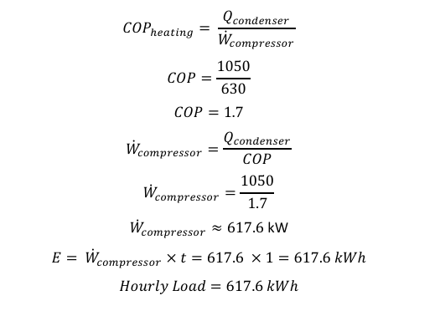

Note: These are the formulas and steps that are used in Methodology 2

Comparison: |  | This is very close to the thesis value of 630 kWh, the only reason it’s 617.6 kWh

 |  | is due to the rounding of the COP. The percentage of error for this is 1.97%.

Comparison 3
Electrical Power Measurement Method

Source Used: |  | NIST Technical Note NIST TN 2249 (Farhad Omar, 2023), Section Used: Chapter 4

 | Verification using the measured

 | Heat Pump Values for Heating Stage 1

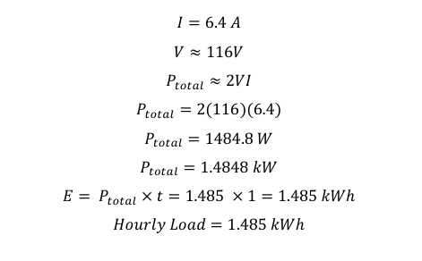

Note: These are the formulas and steps that are used in Methodology 3

Comparison: | This is close to the value presented by NIST which was 1.46 kWh,

 | giving a percent error of 1.7 %.

